Problem
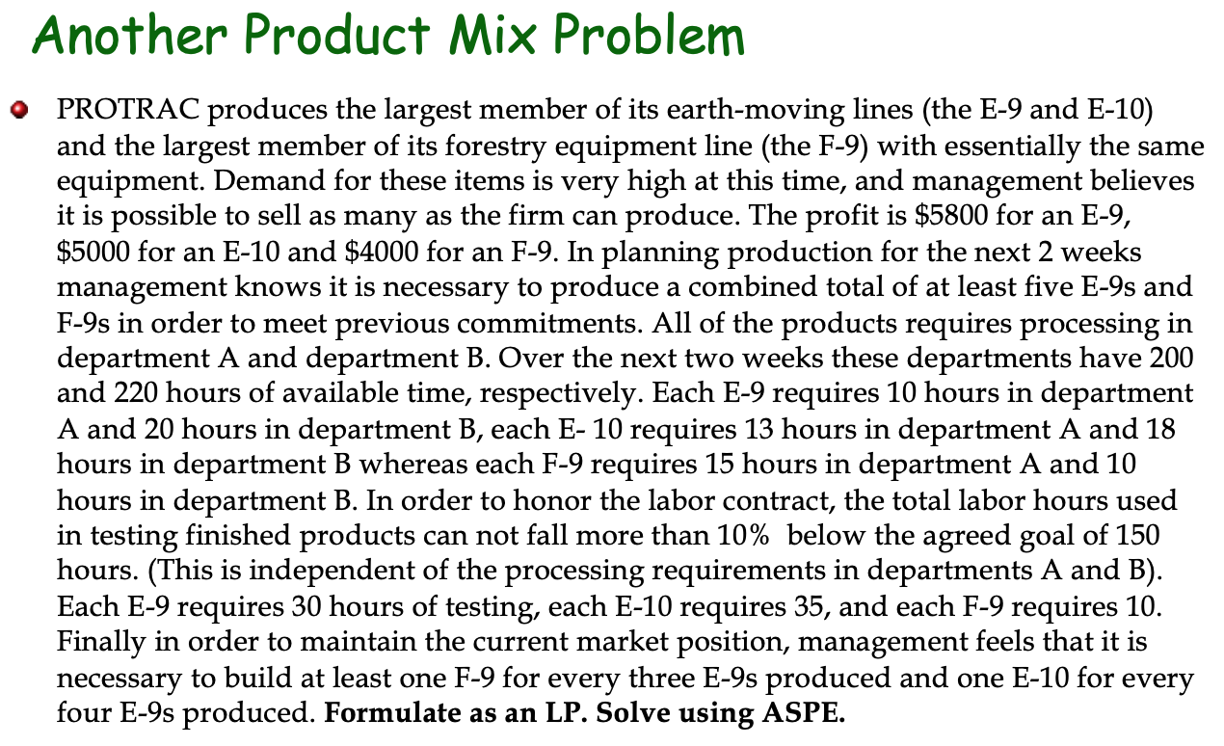

Solution
Decision Variable E9 - number of E9s produced, E10 and F9

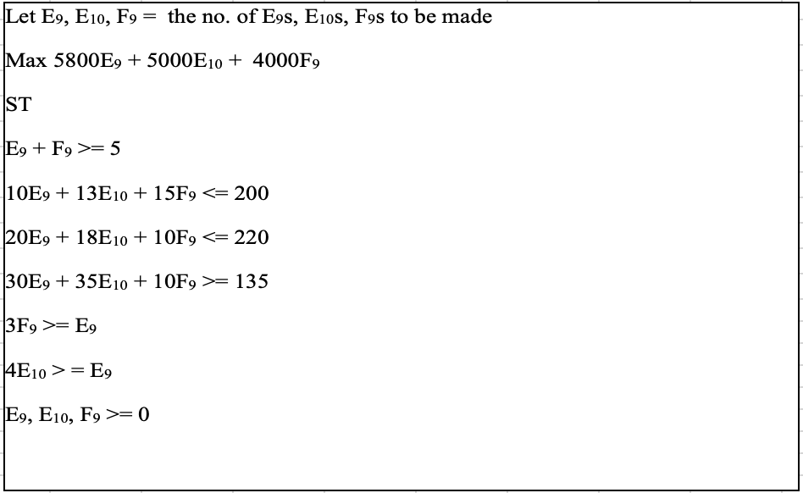
 | E9 | E10 | F9
 | 5.5319148936 | 1.3829787234 | 8.4468085106 | Objective (max)
Max Profit | 5800 | 5000 | 4000 | 72787.234043
Constraints
Max A 200hrs | 10 | 13 | 15 | 200 | <= | 200
Max B 220hrs | 20 | 18 | 10 | 220 | <= | 220
Min Testing hrs | 30 | 35 | 10 | 298.82978723 | >= | 135
one F9 every 3 E9 | -1 | 0 | 3 | 19.808510638 | >= | 0
one E10 every 4 E9 | -1 | 4 | 0 | -8.881784197E-16 | >= | 0

Sensitivity Analysis Report
Objective Cell (Max)
 | Cell | Name | Final Value
 | $E$5 | Max Profit Objective (max) | 72787.234043

Decision Variable Cells
 |  |  | Final | Reduced | Objective | Allowable | Allowable
 | Cell | Name | Value | Cost | Coefficient | Increase | Decrease
 | $B$4 | E9 | 5.5319148936 | 0 | 5800 | 2750.0000002 | 942.85714302
 | $C$4 | E10 | 1.3829787234 | 0 | 5000 | 660.00000012 | 14066.666667
 | $D$4 | F9 | 8.4468085106 | 0 | 4000 | 3981.1320756 | 1122.4489797

Constraints
 |  |  | Final | Shadow | Constraint | Allowable | Allowable
 | Cell | Name | Value | Price | R.H. Side | Increase | Decrease
 | $E$7 | Max A 200hrs Objective (max) | 200 | 117.0212766 | 200 | 130 | 55.748502994
 | $E$8 | Max B 220hrs Objective (max) | 220 | 224.46808511 | 220 | 85.02283105 | 85.793871866
 | $E$9 | Min Testing hrs Objective (max) | 298.82978723 | 0 | 135 | 163.82978723 | 1E+30
 | $E$10 | one F9 every 3 E9 Objective (max) | 19.808510638 | 0 | 0 | 19.808510638 | 1E+30
 | $E$11 | one E10 every 4 E9 Objective (max) | -8.881784197E-16 | -140.42553191 | 0 | 37.142857143 | 6.5

